POS INICIAL-FINAL
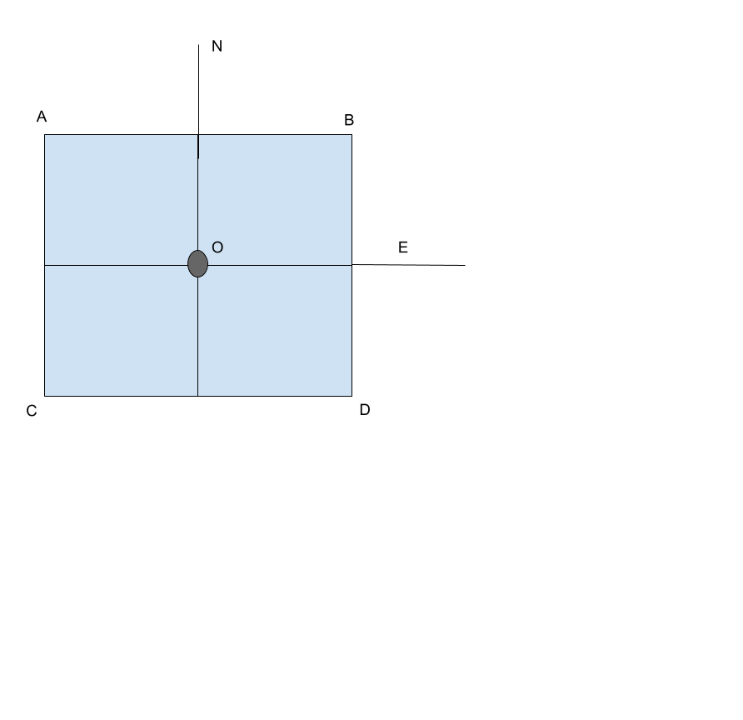
 | FIN MISIÓN |  |  |  |  |  | MARCADOR 1 m | LAT | LON
Nº MISION | LATITUD | LONGITUD | ALTURA |  |  |  | O | 40.5448144 | -4.0121188
1 | 40.5448074 | -4.0121244 | 0.15 |  |  | 1 = (40,5448074, -4,0121244) | A | 40.5448194 | -4.0121238
2 | 40.5448112 | -4.0121216 | -0.11 |  |  | 2 = (40,5448112, -4,0121216) | B | 40.5448194 | -4.0121138
3 | 40.5448155 | -4.0121166 | 0.18 |  |  | 3 = (40,5448155, -4,0121166) | C | 40.5448094 | -4.0121238
4 | 40.5448113 | -4.0121155 | 0.15 |  |  | 4 = (40,5448113, -4,0121155) | D | 40.5448094 | -4.0121138
5 | 40.5448076 | -4.0121166 | 0.22 |  |  | 5 = (40,5448076, -4,0121166)
6 | 40.5448112 | -4.0121188 | -0.11 |  |  | 6 = (40,5448112, -4,0121188) | ATERRIZAJES TOTALES |  | 56
7 | 40.5448186 | -4.0121130 | 0.18 | J = (-4,012113$ 40,5448186) | J | 7 = (40,5448186, -4,012113) | ATERRIZAJES EXITOSOS |  | 41
8 | 40.5448150 | -4.0121183 | -0.12 | K = (-4,0121183$ 40,544815) | K | 8 = (40,544815, -4,0121183) | ATERRIZAJES FALLIDOS |  | 15
9 | 40.5448112 | -4.0121190 | 0.27 | L = (-4,012119$ 40,5448112) | L | 9 = (40,5448112, -4,012119) | PORCENTAJE ÉXITO |  | 73%
10 | 40.5448073 | -4.0121184 | 0.16 | M = (-4,0121184$ 40,5448073) | M | 10 = (40,5448073, -4,0121184)
11 | 40.5448112 | -4.0121154 | 0.24 | N = (-4,0121154$ 40,5448112) | N | 11 = (40,5448112, -4,0121154)
12 | 40.5448150 | -4.0121225 | -0.14 | Z = (-4,0121225$ 40,544815) | Z | 12 = (40,544815, -4,0121225)
13 | 40.5448190 | -4.0121182 | 0.22 | P = (-4,0121182$ 40,544819) | P | 13 = (40,544819, -4,0121182)
14 | 40.5448150 | -4.0121146 | -0.14 | Q = (-4,0121146$ 40,544815) | Q | 14 = (40,544815, -4,0121146)
15 | 40.5448152 | -4.0121175 | 0.01 | R = (-4,0121175$ 40,5448152) | R | 15 = (40,5448152, -4,0121175)
16 | 40.5448112 | -4.0121145 | 0.20 | S = (-4,0121145$ 40,5448112) | S | 16 = (40,5448112, -4,0121145)
17 | 40.5448080 | -4.0121207 | -0.05 | T = (-4,0121207$ 40,544808) | T | 17 = (40,544808, -4,0121207)
18 | 40.5448152 | -4.0121120 | -0.14 | U = (-4,012112$ 40,5448152) | U | 18 = (40,5448152, -4,012112)
19 | 40.5448072 | -4.0121166 | -0.13 | V = (-4,0121166$ 40,5448072) | V | 19 = (40,5448072, -4,0121166)
20 | 40.5448072 | -4.0121140 | 0.21 | W = (-4,012114$ 40,5448072) | W | 20 = (40,5448072, -4,012114)
21 | 40.5448114 | -4.0121107 | 0.20 | X = (-4,0121107$ 40,5448114) | X | 21 = (40,5448114, -4,0121107)
22 | 40.5448113 | -4.0121149 | 0.01 | Y = (-4,0121149$ 40,5448113) | Y | 22 = (40,5448113, -4,0121149)
23 | 40.5448076 | -4.0121212 | 0.20 | AA = (-4,0121212$ 40,5448076) | AA | 23 = (40,5448076, -4,0121212)
24 | 40.5448149 | -4.0121213 | 0.24 | AB = (-4,0121213$ 40,5448149) | AB | 24 = (40,5448149, -4,0121213)
25 | 40.5448112 | -4.0121147 | -0.12 | AC = (-4,0121147$ 40,5448112) | AC | 25 = (40,5448112, -4,0121147)
26 | 40.5448149 | -4.0121181 | 0.19 | AD = (-4,0121181$ 40,5448149) | AD | 26 = (40,5448149, -4,0121181)
27 | 40.5448149 | -4.0121168 | -0.01 | AE = (-4,0121168$ 40,5448149) | AE | 27 = (40,5448149, -4,0121168)
28 | 40.5448111 | -4.0121208 | -0.16 | AF = (-4,0121208$ 40,5448111) | AF | 28 = (40,5448111, -4,0121208)
29 | 40.5448115 | -4.0121178 | 0.01 | AG = (-4,0121178$ 40,5448115) | AG | 29 = (40,5448115, -4,0121178)
30 | 40.5448155 | -4.0121184 | 0.23 | AH = (-4,0121184$ 40,5448155) | AH | 30 = (40,5448155, -4,0121184)
31 | 40.5448114 | -4.0121206 | 0.19 | AI = (-4,0121206$ 40,5448114) | AI | 31 = (40,5448114, -4,0121206)
32 | 40.5448151 | -4.0121280 | 0.20 | AJ = (-4,012128$ 40,5448151) | AJ | 32 = (40,5448151, -4,012128)
33 | 40.5448192 | -4.0121170 | -0.14 | AL = (-4,012117$ 40,5448192) | AL | 33 = (40,5448192, -4,012117)
34 | 40.5448114 | -4.0121201 | -0.13 | AM = (-4,0121201$ 40,5448114) | AM | 34 = (40,5448114, -4,0121201)
35 | 40.5448151 | -4.0121146 | 0.21 | AN = (-4,0121146$ 40,5448151) | AN | 35 = (40,5448151, -4,0121146)
36 | 40.5448110 | -4.0121126 | -0.15 | AP = (-4,0121126$ 40,544811) | AP | 36 = (40,544811, -4,0121126)
37 | 40.5448152 | -4.0121208 | 0.22 | AQ = (-4,0121208$ 40,5448152) | AQ | 37 = (40,5448152, -4,0121208)
38 | 40.5448156 | -4.0121221 | -0.02 | AR = (-4,0121221$ 40,5448156) | AR | 38 = (40,5448156, -4,0121221)
39 | 40.5448192 | -4.0121156 | 0.21 | AS = (-4,0121156$ 40,5448192) | AS | 39 = (40,5448192, -4,0121156)
40 | 40.5448190 | -4.0121181 | 0.01 | AT = (-4,0121181$ 40,544819) | AT | 40 = (40,544819, -4,0121181)
41 | 40.5448151 | -4.0121163 | -0.09 | AU = (-4,0121163$ 40,5448151) | AU | 41 = (40,5448151, -4,0121163)
42 | 40.5448116 | -4.0121179 | -0.13 | AV = (-4,0121179$ 40,5448116) | AV | 42 = (40,5448116, -4,0121179)
43 | 40.5448152 | -4.0121175 | -0.13 | AW = (-4,0121175$ 40,5448152) | AW | 43 = (40,5448152, -4,0121175)
44 | 40.5448151 | -4.0121135 | 0.21 | AX = (-4,0121135$ 40,5448151) | AX | 44 = (40,5448151, -4,0121135)
45 | 40.5448112 | -4.0121180 | -0.11 | AY = (-4,012118$ 40,5448112) | AY | 45 = (40,5448112, -4,012118)
46 | 40.5448115 | -4.0121120 | 0.19 | AZ = (-4,012112$ 40,5448115) | AZ | 46 = (40,5448115, -4,012112)
47 | 40.5448149 | -4.0121152 | 0.15 | BA = (-4,0121152$ 40,5448149) | BA | 47 = (40,5448149, -4,0121152)
48 | 40.5448112 | -4.0121190 | -0.14 | BB = (-4,012119$ 40,5448112) | BB | 48 = (40,5448112, -4,012119)
49 | 40.5448114 | -4.0121193 | -0.10 | BC = (-4,0121193$ 40,5448114) | BC | 49 = (40,5448114, -4,0121193)
50 | 40.5448111 | -4.0121193 | 0.09 | BD = (-4,0121193$ 40,5448111) | BD | 50 = (40,5448111, -4,0121193)
51 | 40.5448153 | -4.0121152 | 0.22 | BE = (-4,0121152$ 40,5448153) | BE | 51 = (40,5448153, -4,0121152)
52 | 40.5448073 | -4.0121135 | 0.22 | BF = (-4,0121135$ 40,5448073) | BF | 52 = (40,5448073, -4,0121135)
53 | 40.5448151 | -4.0121182 | 0.23 | BG = (-4,0121182$ 40,5448151) | BG | 53 = (40,5448151, -4,0121182)
54 | 40.5448111 | -4.0121199 | 0.14 | BH = (-4,0121199$ 40,5448111) | BH | 54 = (40,5448111, -4,0121199)
55 | 40.5448154 | -4.0121146 | -0.13 | BI = (-4,0121146$ 40,5448154) | BI | 55 = (40,5448154, -4,0121146)
56 | 40.5448150 | -4.0121226 | 0.23 | BJ = (-4,0121226$ 40,544815) | BJ | 56 = (40,544815, -4,0121226)

